Bugs
ID | Title | Severity | Priority | Preconditions | Steps | Test Data | Actual Result | Expected Result | Environment | Attatchment
TP_B01 | Create a product with valid data to put it in the shopping cart without asking the seller | High | High | Registered | 1.Navigate To URL 2.Click on"Log in" 3.Fill "Email" 4.Fill"Password" 5.Click on "Login" 6.Click On "Start Selling" 7. Click On "List a Part" 8.Fill "Category" 9.Fill "Title" 10.Fill "Condition " 11.Fill "Description " 12.Upload "Photos" 13.Upload "Video" 14.Click "Next" 15.Fill "Price" 16.Fill "Quantity" 17.Fill "warranty " 18.Fill "Dimentions" 19.Fill "Weight" 20.Click "ADD" 21.Fill "Vehicle Brand" 22.Fill"Vehicle Model" 23.Fill"Vehicle Year" 24.Click"Save" 25.Click "Next" 26.Click "Choose Address" 27.Click "Add New Address" 28.Fill "Address " 29.Fill "Apt./suite" 30.Fill "City " 31.Fill "State" 32.Fill "Zip Code" 33.Click on "Add Address" 34.Click on "Add Item" | URL: https://truckparts-dev.web.app Email: sell.dev@mailna.co Password: Seller@123 Category: Accessories Title: M.Turkey Condition : New Description:hi my name is mahmoud turkey and iam a software tester with hands on experience in both manual and automation testing Photos: Logo.png Video: Demo.mp4 Price: 100 Quantity: 1 warranty: 1 year Dimentions: 3 meters Weight: 5 kg Vehicle Brand: BMW Vehicle Model: A Vehicle Year: 2025 Company: FedEx Price: 10 Address: Smoha Sq., Ezbet Saad, Sidi Gaber, Alexandria, Egypt City: Alexandria State: Alexandria Zip Code: 19955 | Message Appears: "Service submitted successfully" the name under product contact seller | 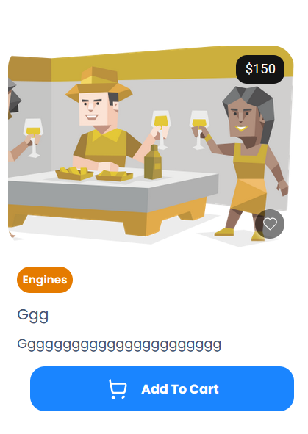 The product has been created, appears in the product list with the correct details and ready to be added to the cart. | Windows 11, Chrome 120
TP_B02 | Duplicate product name handling | Medium | High | Registered | 1.Navigate To URL 2.Click on"Log in" 3.Fill "Email" 4.Fill"Password" 5.Click on "Login" 6.Click On "Start Selling" 7. Click On "List a Part" 8.Fill "Category" 9.Fill "Title" 10.Fill "Condition " 11.Fill "Description " 12.Upload "Photos" 13.Upload "Video" 14.Click "Next" 15.Check Mark "Contact for price" 16.Fill "Quantity" 17.Fill "warranty " 18.Fill "Dimentions" 19.Fill "Weight" 20.Click "ADD" 21.Fill "Vehicle Brand" 22.Fill"Vehicle Model" 23.Fill"Vehicle Year" 24.Click"Save" 25.Click "Next" 26.Click "Choose Address" 27.Click "Add New Address" 28.Fill "Address " 29.Fill "Apt./suite" 30.Fill "City " 31.Fill "State" 32.Fill "Zip Code" 33.Click on "Add Address" 34.Click on "Add Item" | URL: https://truckparts-dev.web.app Email: sell.dev@mailna.co Password: Seller@123 Category: Accessories Title: M.Turkey Condition : New Description:hi my name is mahmoud turkey and iam a software tester with hands on experience in both manual and automation testing Photos: Logo.png Video: Demo.mp4 Price: 100 Quantity: 1 warranty: 1 year Dimentions: 3 meters Weight: 5 kg Vehicle Brand: BMW Vehicle Model: A Vehicle Year: 2025 Address: Smoha Sq., Ezbet Saad, Sidi Gaber, Alexandria, Egypt Apt./suite:225 City: Alexandria State: Alexandria Zip Code: 19955 | Message Appears: "Service submitted successfully" | System prevents exact duplicate or warns | Windows 11, Chrome 121

